Sheet1
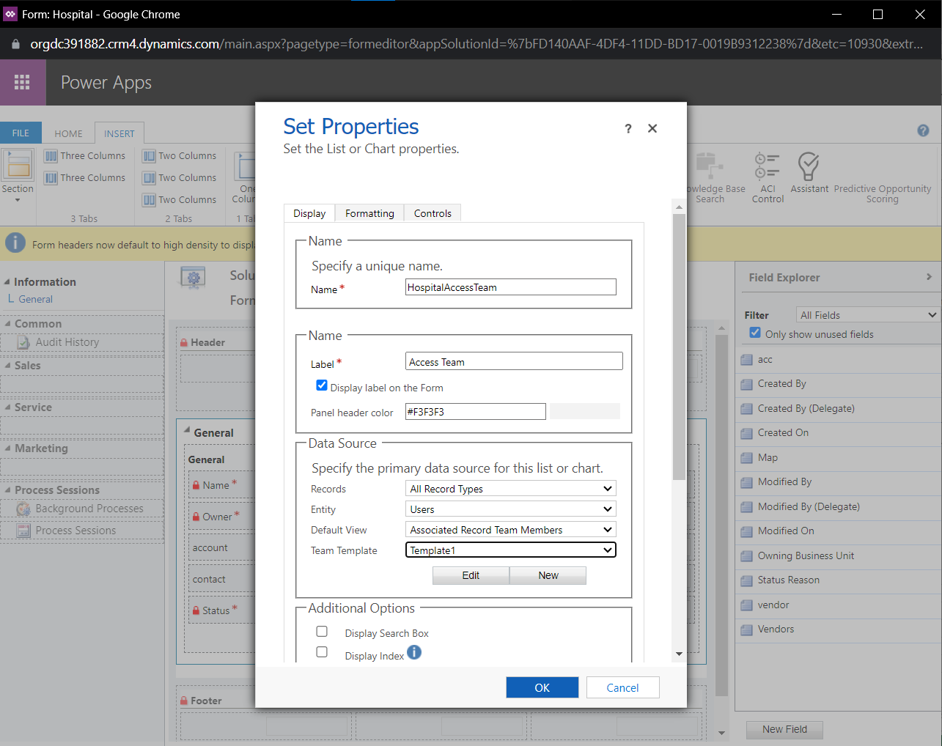
Abdelrahman
SEARCH RESULTS
Topic | Sources | What I Understood (My Own Words)
Access Teams: User-created and Auto-created (System Managed) | https://learn.microsoft.com/en-us/dynamics365/customerengagement/on-premises/developer/use-access-teams-owner-teams-collaborate-share-information?view=op-9-1 | You can create an access team manually by choosing the team type Access, or let the system create and manage an access team for you. They are mainly needed when the number of teams is not known during design time. [CHECK BELOW PICTURES] A user-created access team is the one we create manually from the Security tab in the Advanced settings section where we set the team type to Access and the SystemManaged attribute to false. Team members require different access rights on the records and we can share multiple records with a user-created access team. It also doesn't use a template for creating a team. A user must have sufficient privileges to join an access team. For example, if the access team has Delete access rights on an account, the user must have Delete privileges on the Account entity to join the team.
 | https://learn.microsoft.com/en-us/dynamics365/customerengagement/on-premises/admin/manage-teams?view=op-9-1 | However, in a system-managed access team, there is a unique set of users working on a single record (They can't be shared with other records in the system). The auto-created access team requires a team template which is created from the team template entity and we have to specify the entity type and access rights on the record in the template. The entity specified in the template must enable that we can create auto-created access teams from it (See picture below). The auto-created access team is built from this template and is given the same access rights that the template provides for a specific record. Users are automatically added and removed in the system-managed team. The actual team is created when you add the first user to the record.
 |  | A team template is displayed on all record forms for the specified entity as a list. When you add the first user to the list, the actual access team for this record is created. You can add and remove members in the team by using this list. The team template applies to the records of the specified entity type and the related entities, according to the cascading rules. To give team members different access on the record, you can provide several team templates, each template specifying different access rights. Because of the parental relation between the team template and system-managed access teams, when you delete a template, all teams associated with the template are deleted according to the cascading rules. When changing the access rights for the team template, the existing ones aren't affected and the changes only apply to the newly created access teams. The default value for the maximum number of team templates is 2 and the default value for the maximum number of entities that you can enable for auto created access teams is 5.
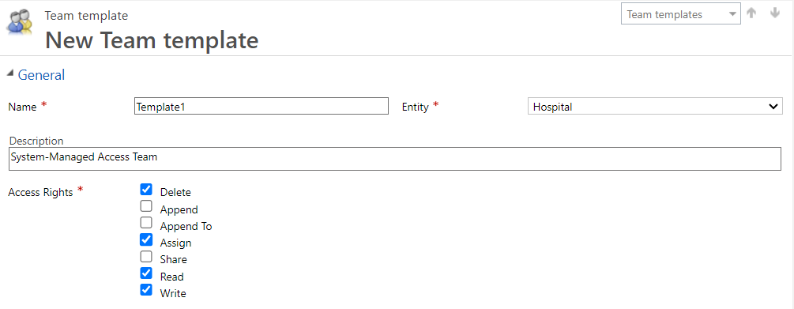
I tried applying the system-managed access team for the Hospital entity we have created in the sessions

CHECK NEXT PAGE

